Statistic
The Aspects Aifference Between Familiar and Unfamiliar Paintings
question | 1 | 2 | 3 | 4 | 5 | 6 | 7 | 8 | 9 | 10 | summary |  | Content | Background | Interpretation
1 Their description | familiar:Artist, type of artwork, background of the painting, background of the artist, content, composition, subject, colors, interpretation unfamiliar: Color, character, composition, style, technique, content, emotion | familiar:Background of the painting, composition, colours, figures, author, objects unfamiliar: Content, Objects, Composition, Technique, Figures, Colour Style, details, atmosphere, inference | familiar：Painting background, composition, subject, characters, colors, details, content, artist background, unfamiliar：Composition, color, content, characters, | familiar：Painter background, painting background, style, characters, composition, color unfamiliar：style, color, composition, objects | Familiar: painting background, era background, composition, characters, interpretation, painter’s background, unfamiliar：Composition, color, characters, interpretation, | familiar：Artist's background, painting background, composition, interpretation, characters, emotion, colors, themes unfamiliar:Composition, characters, color, technique, interpretation, style, | Familiarity: painting background, artist background, characters, themes, content, color, composition, interpretation Unfamiliar: interpretation, characters, colors, composition, | Familiarity: the artwork’s background, interpretation, composition, characters, artist’s background, content, emotion, meaning, Unfamiliar: content, characters, interpretation, color, composition, style, | Familiarity: background, content, characters, composition, details, color, light, artist background, historical context, meaning, interpretation of the artwork, Unfamiliar: style, color, composition, characters, | familier:composition, color, artwork background,character, objects, unfamiliar:composition,color,objects, | People have different aspects they focus on when describing familiar and unfamiliar artworks. For familiar artworks, they tend to include information about the artwork's background. However, for unfamiliar artworks, background details are typically not discussed, with only one person mentioning that they might speculate about the possible background of the artwork. Consistently, for both familiar and unfamiliar artworks, 60% of people mentioned providing an interpretation, while the remaining participants did not mention any interpretation of the artwork. | familiar | 10 | 9 | 6
2 What they think about classification | good | good | good | good | good | good | good | good | yes | good | good | unfamiliar | 10 | 1 | 6
Aspects They Will Consider
3 aspects they will consider | Artist - artist-related background creative environment - familiar The first feeling of the picture-the overall atmosphere, color, composition, meaning | Background - Painting, Author (Professional perspective) Picture, composition, color, characters Thoughts and Feelings - Painter, Viewer | content-background-meaning | the artist background | The painter's thoughts on the artwork, composition, color, material and form | The composition of the artwork, the objects, the background of the painting, why it was painted | screen content cultural background Time backgroud Spiritual connotation | Creation background, creation time, author’s age (determines cognition at the time), political environment at the time, creative inspiration | History of the painting Title of the painting Name of the artist Art Period | backgrounds | Participants generally consider the artist's background and the creation background of the artwork, with 90% of people mentioning this. In addition, 60% of participants mentioned content aspects such as composition, color, and characters. Furthermore, 40% of people noted the importance of the artwork's meaning and interpretation. |  | Content | Background | Interpretation
The order of these aspects
4 order of aspects | background-content-meaning | Author - Look at the author's background based on the author - Draw the background - Composition-color-figure-technical expression-thoughts and emotions-artistic value (whether it has a profound impact on the viewer, the field of painting, and the history of painting, and promotes the development of painting) | Composition of the painting - objects - colors | artist, background, painting composition, color, expressive intention, meaning of painting | Color-Composition-Thinking | talk about the artist first – the composition, colors, objects, and the overall background. | Main object first, then describe related objects in sequence | Background of the painting --> Author's thoughts --> Techniques --> Style | Historical context - Color- light – composition | Composition -- division of space -- relationship between parts-parts and parts-whole. Relationship between colors and tones. Understand the meaning of what the artist is presenting. | Everyone has different methods of captioning, and their order varies. Only 30% of people mentioned all three aspects: the artwork's content, background, and interpretation. Another 30% mentioned only content and background, while 20% mentioned content and interpretation, and the remaining 20% only touched upon the content aspect. |  | 60% | 90% | 40% | Content | Background | Interpretation
5 importance of these aspects | the background is the most important and then is the content, the emotion, interpretation, and the value of the artowk is not that important | the artwork itself is the most important | the background of the artist is the most important, the content and the interpretation is less important | artist, content, background, emotion, interpretation | emotion, context, content | Composition - elements, colors ,interpretation -author background | the content is the most important,then the background then the interpretation | the background is important,and then is the content and then is the interpretation | interpretation and then the technique parts,the content | Composition and style, technique is most important, and then is background , the emotion is not important | There is significant variation in their opinions on the importance of various aspects of captions. Here, we use the categorization by Anderson \cite{10.2307/1320404} and Barrett \cite{nla.cat-vn1726169} to summarise the aspects mentioned by the participants and obtain the following rankings of importance: 40% of people believe the order should be descriptive-contextual-interpretative, 30% think it should be contextual-descriptive-interpretative, while others believe it could be interpretative-contextual-descriptive, interpretative-descriptive-contextual, or descriptive-interpretative-contextual(10% repectively). |  |  |  |  | 100% | 60% | 50%
6. The length of the caption | not need too long | no specific length, need to be precise | NO | No, it depends on specific needs | no | it depends on the purpose | dont have | It depends on the situation | concise ,Should be shorter | No, should describe completely and easy to understand | 80% of people believe there should be no fixed length limit, and it should depend on the specific needs. However, the remaining 20% think it should not be too long, but rather concise and precise.
7 How to Deal with the Subjectivity of Captions | the subjective is not a problem, every will have their own opinion, we could refers to the opinion of general public | understand what artist thought | Everyone’s opinion is subjective and not a misunderstanding | know the facts | Understand the artist’s own experience | cannot avoid, the interpretation requires everyone’s participation for continuous improvement, | read related information, udnerstatnd the artist. the understand from the audience is not misunderstand, it's just has their own opinion | Understand the creative background and era background in depth, and try to understand the author’s true thoughts based on the creative background. |  |  | Some people believe that subjectivity is unavoidable, but it is important to be as objective as possible by understanding the artists's thoughts, and the creation background. Others argue that everyone has their own perspective, which represents the viewer's interpretation rather than a misunderstanding. These two viewpoints are held by an equal number of people.
8 What are the related factors that affect emotions? | Living environment status at the time of creation, the content, composition, color, | the artist, the character, color, composition | The creator’s experience, the feeling of audience Content: color, shape, arrangement of objects | artist's emotions,History background ,content, Character, Object location, composition, color | Considering the artist's growing environment, the composition and color have little significance in expressing emotions. | The viewer’s preferences, the artist’s living environment, and the content elements of the picture | composition, The painter’s historical background and life experience painted background color brushwork, lines Expressions of characters - joy, frustration, relief | color, composition, line, |  |  | Regarding the analysis of the emotion of the artwork, most of the people expressed that it needs to be analysed based on the content of the artwork as well as the personal growth experience of the artist. However, one participant argued that an emotional analysis of the content of the artwork is not applicable, and the emotion of the artwork can only be understood through the experience of the artist.
9. What background events should mention? | historical context | historical context | no specific | The social environment at that time personal growth experience of artist | the artist’s growing environment, | Time backgroud | Era background paint background Life experience | Creation background, what happened at that time |  |  | 60% expressed that the relevant context they were most concerned about was the context in which it was created. Then 30% thought the artist's upbringing was also important.
The Most Challenging Aspects
10 What aspects are more challenging? | Know what the author really means | know the f,the related information and technique | professional knowledge | Understand the background facts, Describe professional techniques color, composition, etc. | Everyone has their own opinion, | artist's emotions, The artist's thoughts, | Understand the background describe the content in a professional way | The artist's thoughts |  | Composition | The most challenging aspect in describing artwork was describing it from a professional perspective, mentioned by half. Then came understanding the creator's real intentions and knowing the background facts, both mentioned by 30%. |  | Understand artists' intent | The context information | The professional perspective
How to avoid bias in the artwork captions
11 How to avoid bias | be objective, dont express your own opinion, only talk about the content, don't mention the meaning or interpretation | know the facts,the related information | know the facts | Collect information from all aspects, | Don’t judge subjectively | Take the perspective that the public understands, Accept the most descriptions Emotional aspects are not too detailed, general, joy/sadness | read related information, | Multi-person collaboration, joint description, objective description | Neutral No personal opinion | Objective. Not value judgement | In terms of how to avoid possible bias in the production of headlines, half indicated that objectivity should be maintained and personal opinions avoided, while the other half suggested a comprehensive collection of information and the use of publicly recognized understandings or interpretations. One other mentioned that the neutrality of headlines could be ensured through multi-person collaboration. |  | 30% | 30% | 50% |  | maintain objectivity | collecting comprehensive information
12 the feedback of our ontology example | good | the object can have objects, | good | good | Questions raised about how AI generates interpretation of artworks | Objectively express all possible emotional meanings, and then point out the source, | good | good | good | good | Most people agreed with the comprehensiveness of the content of our ontology, but one person questioned how AI generates interpretation of artworks. In this case, we can only try to include as much of the general understanding of the artwork as possible, and we can interpret artworks objectively, stating only possible interpretations and then leaving it up to the viewer to come up with their own interpretation of the artwork. |  |  |  |  |  | 50% | 50%

Ground Theory Analysis
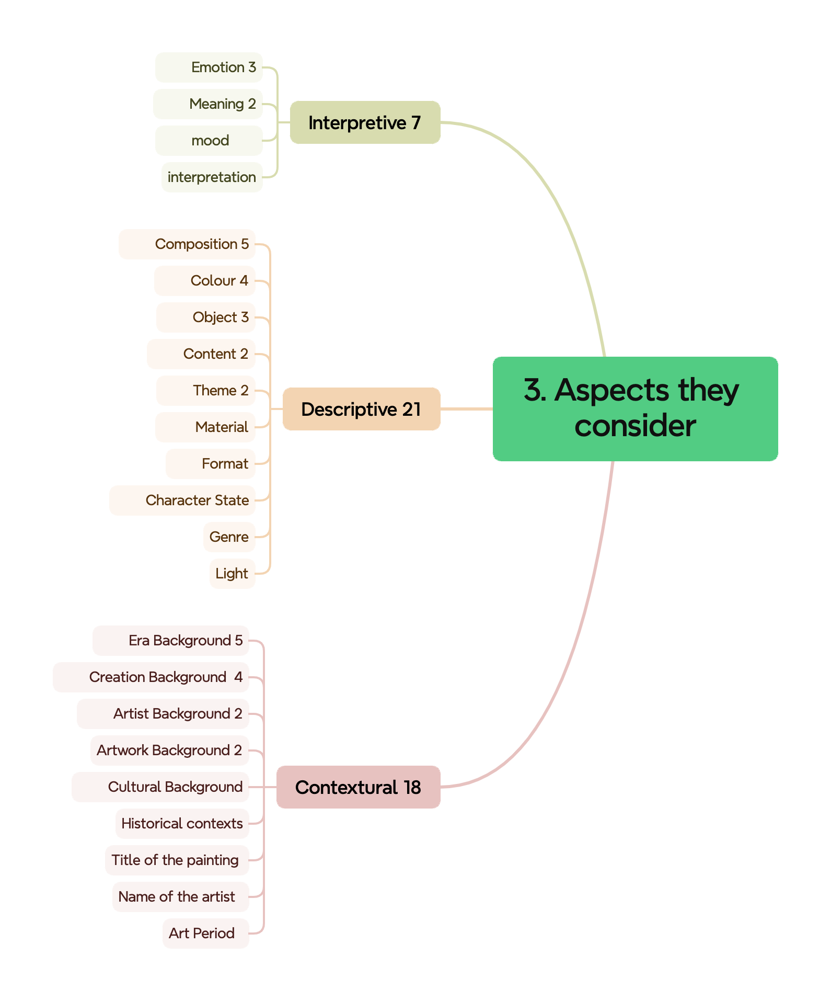
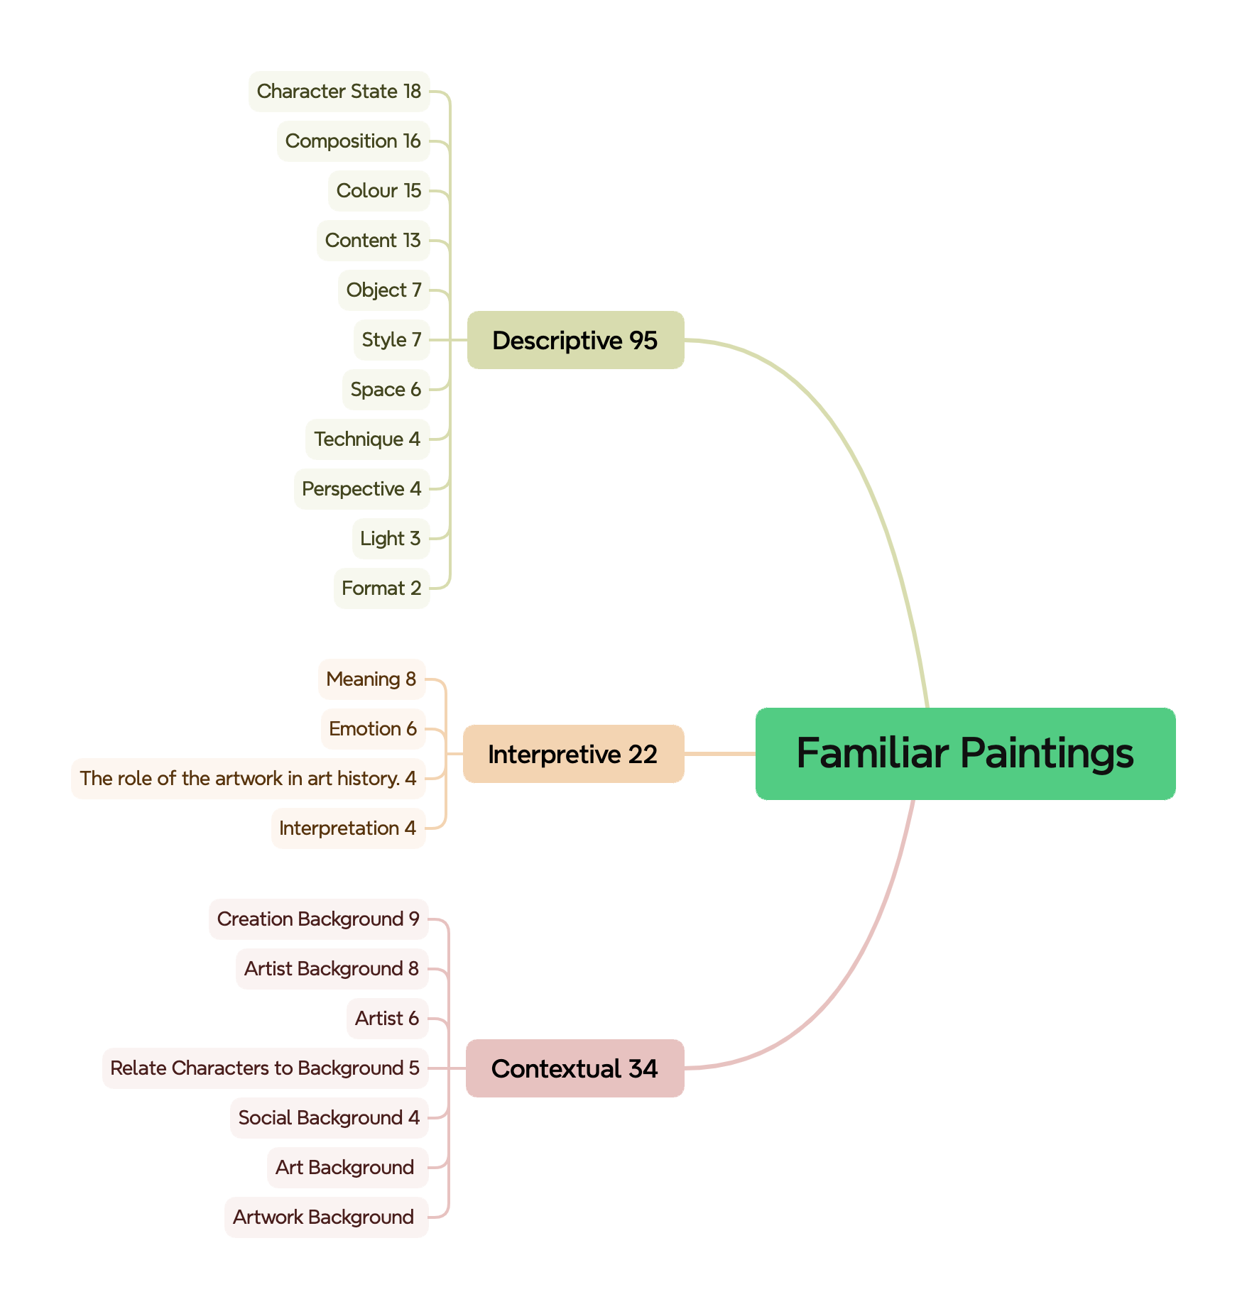
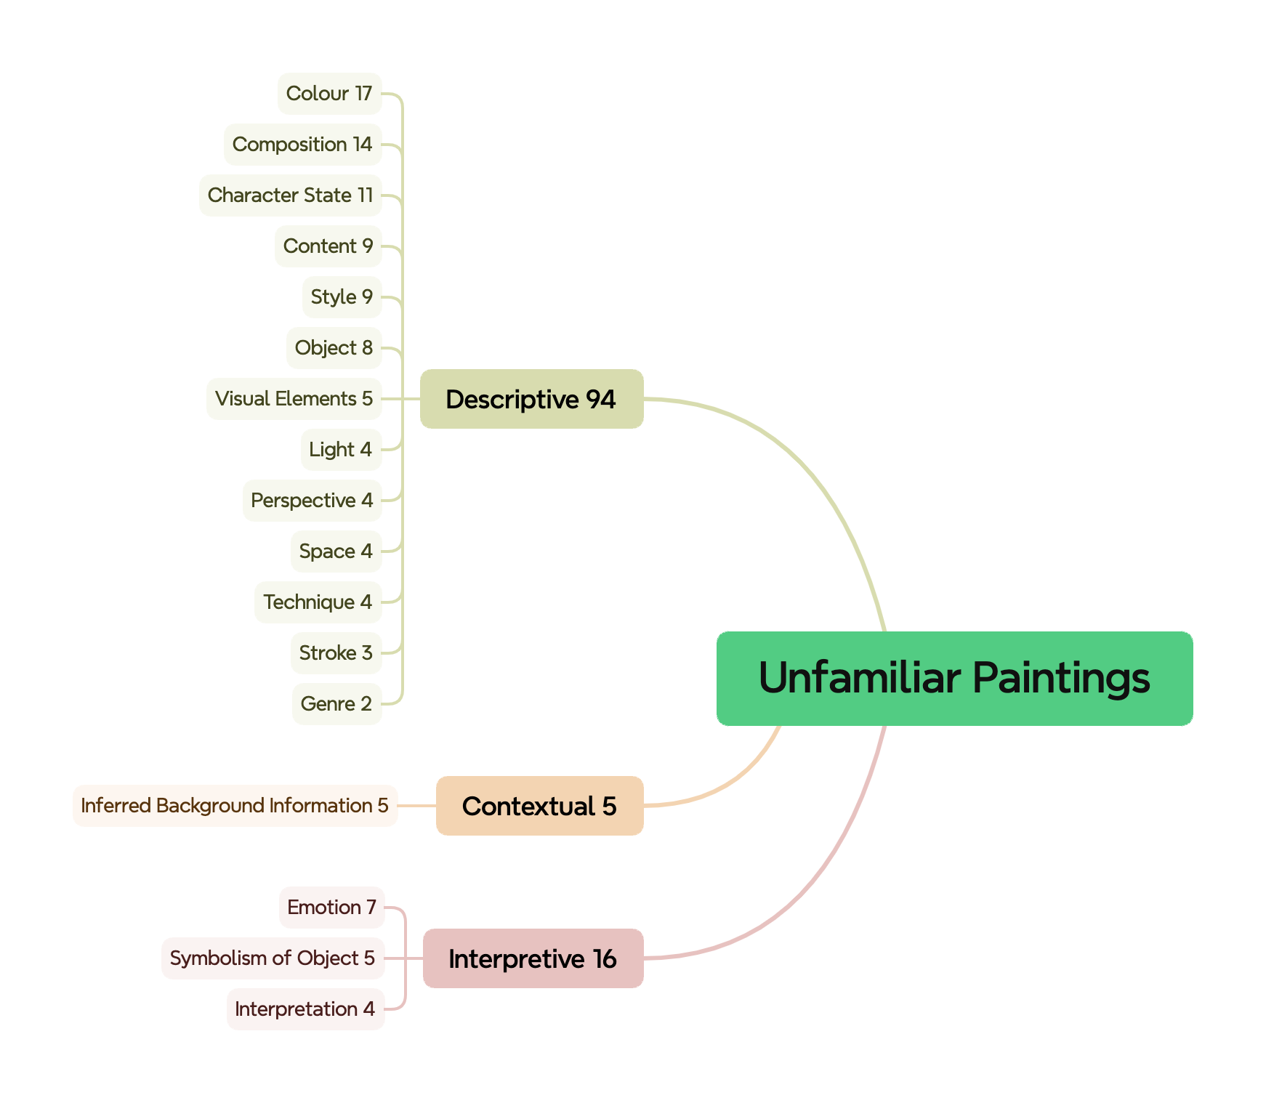
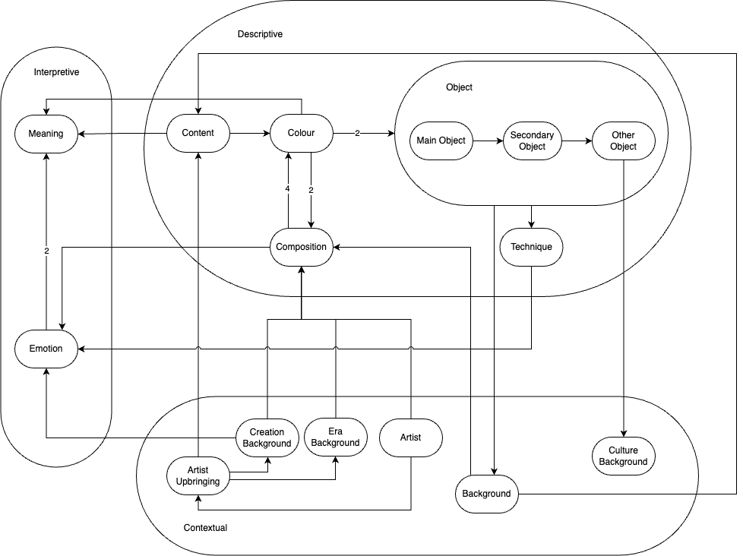
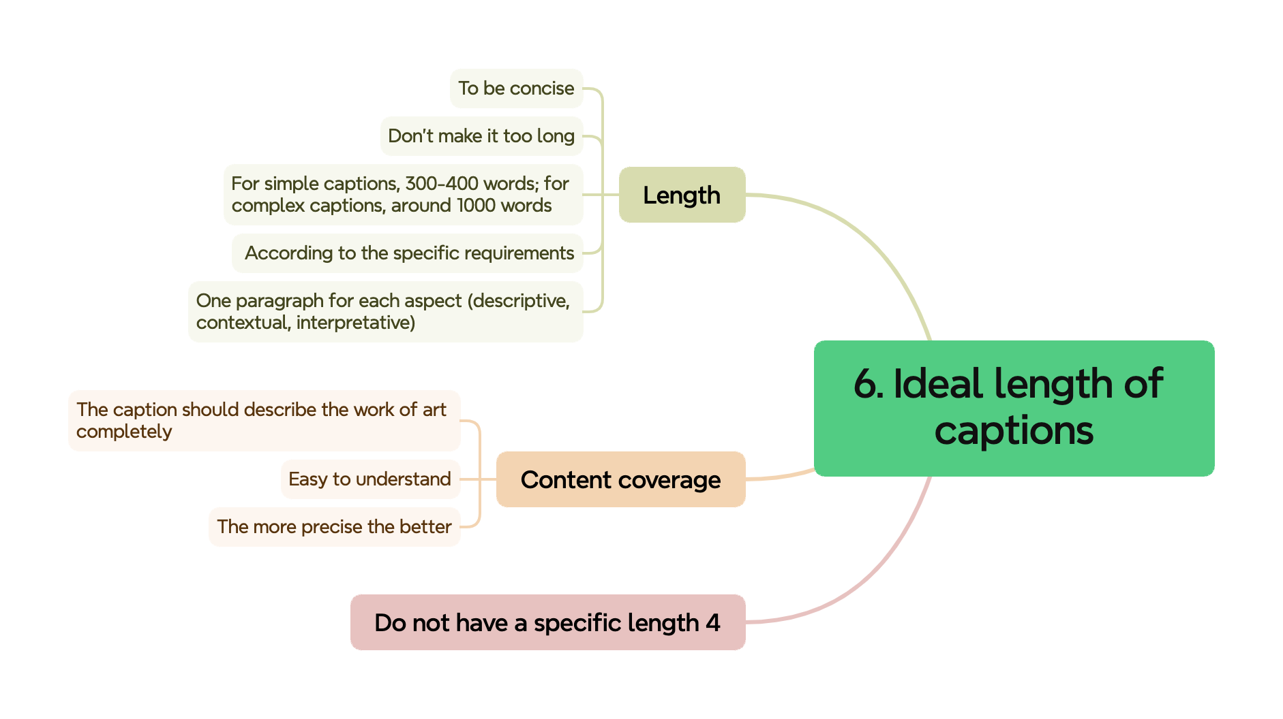
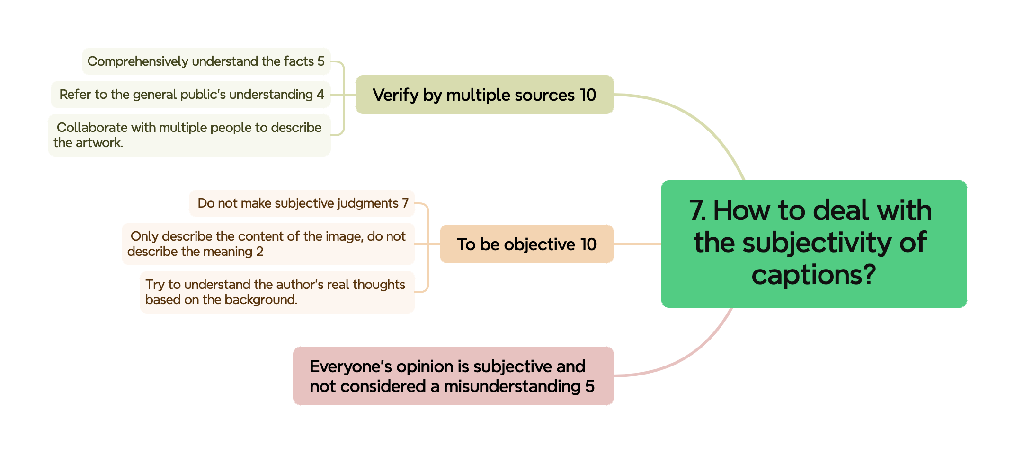
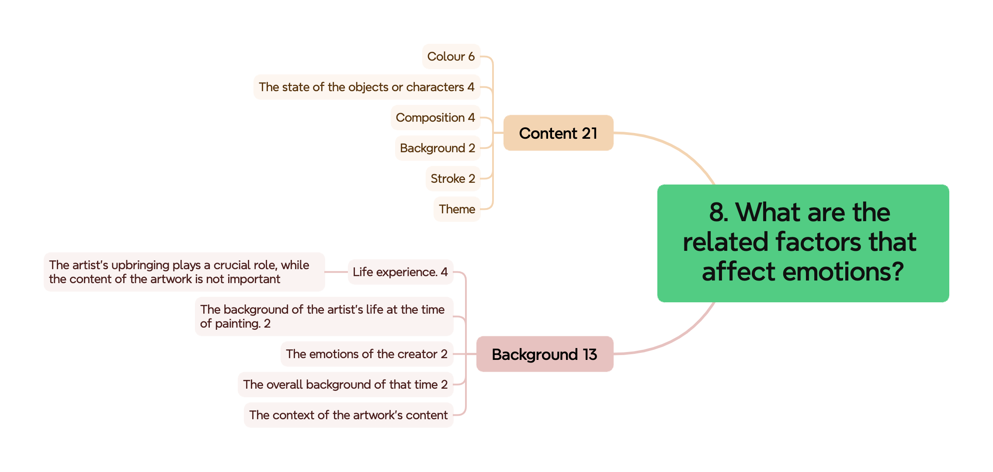
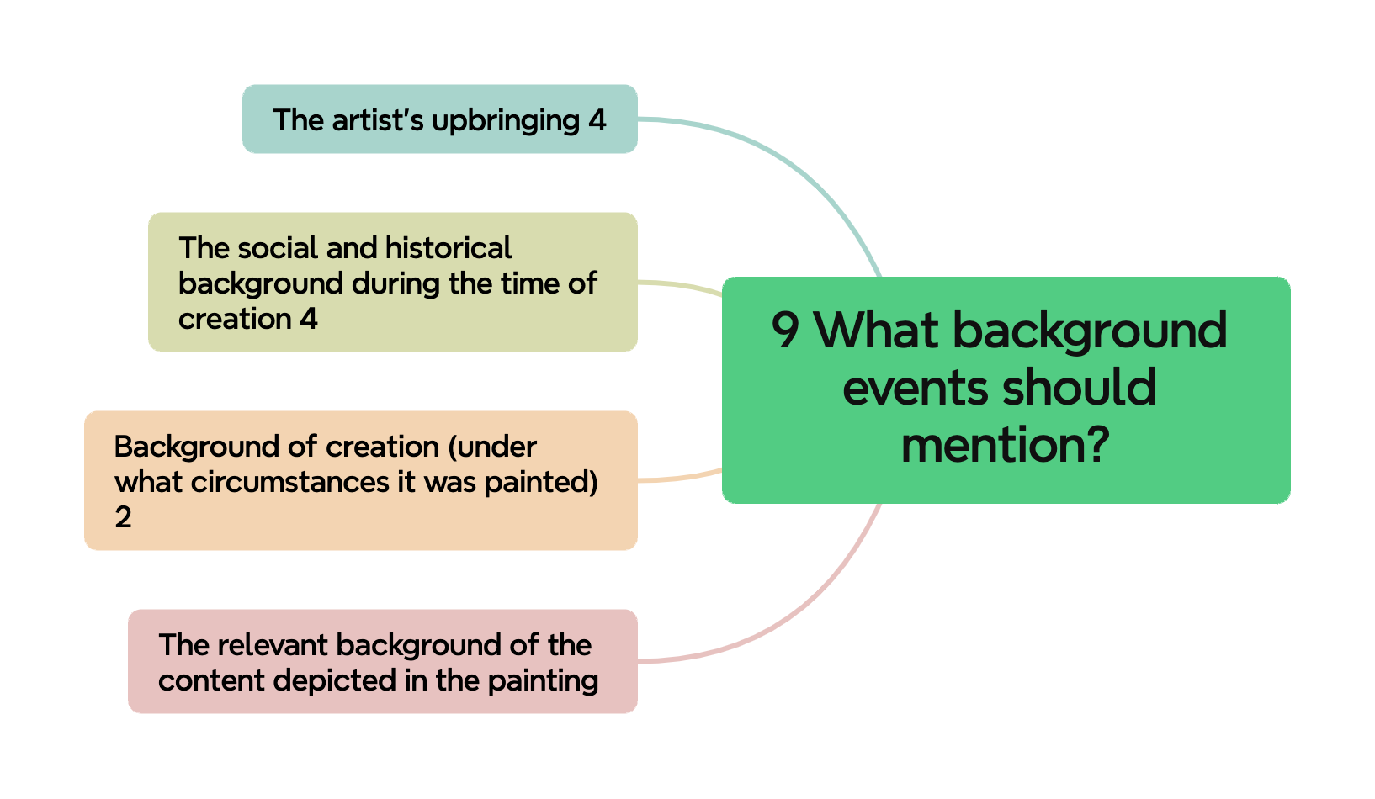
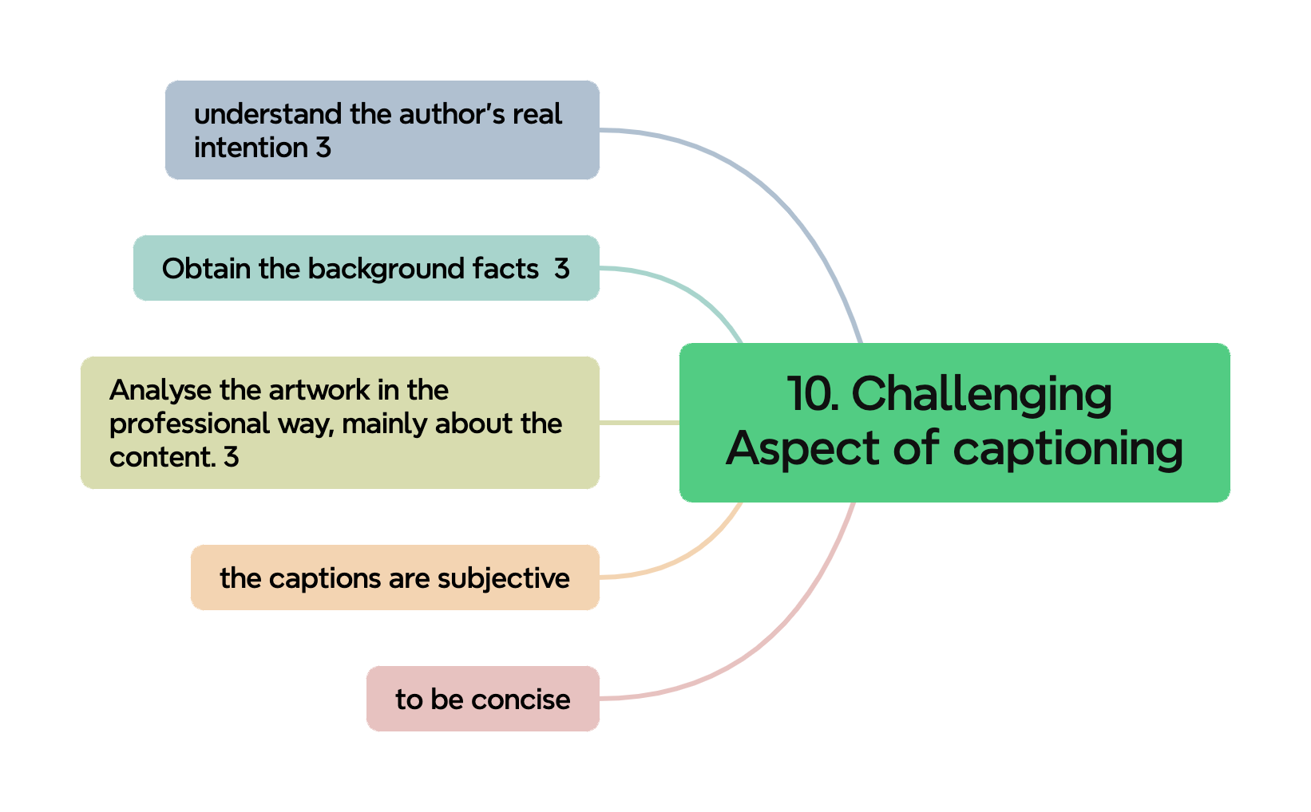
Questions | Results
1. Their description | Please see figure Familiar Paintings and Unfamiliar Paintings
2. What they think about classification
3. Aspects they will consider | Please see figure Aspects they consider
4. Order of aspects | Please see the flow chart. The number on the arrow means the count that this sequence appears
5. Importance of these aspects | Please see the sheet "importance of different aspects"
6. The ideal length of the caption | Please see figure ideal length of captions
7. How to Deal with the Subjectivity of Captions | Please see figure How to deal with the subjectivity of caption
8. What are the related factors that affect emotions? | Please see figure 8. What are the related factors that affect emotions?
9. What background events should mention? | Please see figure 9. What background events should mention?
10. What aspects are more challenging? | Please see figure Challenging aspects of captioning
11. The feedback of our ontology example
The number at the end of each label in the figures is the count that this label appears in the interview results
For each question, we analyse it through a suitable way. For most of the question, we use Ground Theory, which is used to analyse the interview and find the key points from the interview, to analyse their opinions through their answers. For the order of aspects, we create a flow chart to present the flow they mentioned. And for the importance of these aspects, we create a table to represent the rank of each element, and then using the Kendall's W metric to calculate if the rank is consistent among all participants.

